Projects IBIS
Project nr | Project name | Description | Manager | Project Lead | When | Financier | Documents | Ganges Brahmaputra | Draft | Topic | Topic 2 | Scale | Type of Project | Client | Link Website | Project Description | Contact Person | Image
1220745 | Bangladesh Morphology and Climate Adaptation, Coastal Embankment Improvement Project, Phase-I (CEIP-I) | The main objective of the CEIP project is to improve and manage the polders successfully in the coming decades. It is important to have a clear understanding of the relation between the functioning of polders and the ever changing boundary conditions due to the dynamics of the environment. In order to achieve this, the end-goal of this assignment is the development of a framework for sustainable polder design based on the understanding of the long-term and large-scale dynamics of the Bangladesh delta. This goal will be achieved through: - The development of a clearer understanding of the relationships between the functioning of the polders and the ever changing large-scale boundary conditions due to the dynamics of the environment and changes in climate. State-of-the-art numerical modelling at macro- , meso- and micro- scale will be developed in combination with innovative monitoring techniques to quantify hydrodynamics, sediment load and subsidence across the Bangladesh Delta. - Development of innovative conceptual designs for sustainable polder management. - Development of a better understanding of the socio-economic functioning and conditions before and after improvements of the polders, within a coastal zone management framework. - Development of a long-term investment plan for implementation of the proposed designs and management improvements. - Building of analytical foundation and technical capacity at BWDB, local research organizations and local communities, to engage in science-driven decision for better and more sustainable decision making. | Sharon Tatman | Alessoi Giardino (guest) | 2017-2021 | World Bank | https://projects.ibistools.com/entity/4e1d7e4e-938d-4d83-8afb-7da49f3d32d3/tender/documents | yes
11200953 | WMKIP Bangladesh | Key principles of WMKIP are: • Community engagement and participatory action research: ensuring a strong linkage between innovation, research and knowledge development to practical and sustainable improvements of people’s lives; • Promoting resilience of the water system and communities that depend on these water systems; • Establishing linkages and synergy with other coastal development efforts; and • Partnership development between Dutch and Bangladesh knowledge organizations, IWM and Deltares in particular and selected organizations as and when effective. WMKIP focusses on 4 innovation themes, including the cross-cutting theme Participatory Water Management: • Improved drainage; implement and test pumped drainage to improve local rainfall flooding conditions in a polder • Operational water management; develop tested and effective innovations for enhanced Operational Water Management of the polder water management system through the development of apps and improved O&M of sluice gates and related water management infrastructure. • River and embankment management; develop innovative and effective measures to support the management and restoration of peripheral river. Typical challenges include embankment erosion and river sedimentation. • Participatory water management; WMKIP will not develop stand-alone innovations, but aim to ensure institutional sustainability of the innovations developed as part of the other 3 themes. | - | William Oliemans | 2018-2020 | Ministry of Foreign Affairs NL | https://projects.ibistools.com/entity/a5d58ff9-adc7-4bf0-8ae2-f4e9a9221455/tender/documents | yes
1230919 | PVW Water Quality Monitoring Bangladesh | This project aimed to demonstrate how innovative smartphone-based water quality (WQ) testing and easy access to data can improve WQ management decisions. The main activities of the project were: • Monitoring by watchdog committees: two local watchdog committees (from Bisnondi and Piruzpur Union Parisads) participated in voluntary WQ monitoring on a weekly basis for the period of 1 year. This citizen-based monitoring was done using smartphones to collect data about ammonium, electrical conductivity (EC), pH, phosphate, and temperature. In total, data was collected on a regular basis at approximately 50 monitoring locations. • Development of a Delft-FEWS system, “FEWS-Bangladesh”: data collected by the watchdog committees was then transmitted automatically to the FEWS-Bangladesh system. This system was tailor-made to fit the needs of the Department of Environment (DoE) and of Dhaka Water Supply & Sewerage Authority (DWASA). • Training to use FEWS-Bangladesh: staff members from DoE and DWASA received training to use the FEWS-Bangladesh system and interpret the results, as well as refresher trainings and remote support throughout the project. Local project members from ECL and ITN-BUET also received training in the use of FEWS-Bangladesh, and provided local support as needed. | Hilder Passier | Sheila Ball (Inactive) | 2017-2018 | Partners for Water | https://projects.ibistools.com/entity/8aed9a60-3b57-4382-9959-038acde51e7c/tender/documents | Upstream?
11202654 | JCP Bangladesh - NL | The goal of JCP is to increase the knowledge base of all the institutes involved and to strengthen the capacity of institutes in Bangladesh to plan, develop and manage their (marine and fresh) water resources systems. The capacities targeted under JCP include water system knowledge, data management, decision-support and impact forecasting, but also the capacity for cooperation, institutional development and governance within Bangladesh and Dutch water knowledge institutions. Achieving these goals will support the contribution that the Netherlands water sector can make to Bangladesh and the implementation of the Bangladesh Delta Plan 2100 (BDP). JCP generates direct benefits in on-going programmes and with a view to secure long-term funding for knowledge development from a range of funding agencies such as the World Bank, the Asian Development Bank, GiZ, DFID and others.The project is based on two pillars: Knowledge Cooperation and Metamodelling for Delta Planning. Within knowledge cooperation, the topics of focus are i) knowledge portal development and data management, ii) sediment and river management in coastal areas, iii) urban water management and water quality iv) agriculture and climate change, v), polder management. In addition, the metamodel developed during the planning project for Bangladesh Delta Plan 2100 (BDP 2100) is being developed into an operational decision-support tool for adaptive planning, more specifically to assess and compare projects that are part of the BDP2100. | - | William Oliemans | 2018-? | Ministry of Foreign Affairs NL | no | yes
1206923 | Delta Plan Bangladesh | The overall objective of the project (Consortium led by Twijnstra Gudde) on the formulation of BDP 2100 is to realize a sustainable and commonly agreed strategy with all relevant stakeholders for an optimum level of water safety and food security, as well as sustained economic growth of Bangladesh and a framework for its implementation. As such, BDP 2100 will contribute to the overall development of Bangladesh and needs to be incorporated in the seventh Five Year Plan (2015 – 2020) and subsequent Five Year Plans of Bangladesh. Specific objectives include: - To support an enabling socio-political environment for the BDP 2100 formulation and implementation process; - To develop and manage a common, inclusive and widely shared information and knowledge base in support of development and implementation of BDP 2100; - To bring the institutional framework into a position to deal with the formulation of BDP 2100 and its implementation; - To create together with the main stakeholders (both public and private sectors) a Delta Vision by making use of an adaptive, inclusive and transparent policymaking process; - To facilitate entrepreneurship and efficient implementation of the IFI projects and those of other donors, and move their innovations forward by establishing links with public institutions; - To develop a broadly supported implementation strategy that builds on exemplary projects, the five Year Plan and sectorial and geographical developments. | - | William Oliemans | 2016-2018 | Ministry of Foreign Affairs NL | https://projects.ibistools.com/entity/5e9ac953-d738-4d09-95c9-954b106313e8/tender/documents | yes
11202926 | Delta Plan Bangladesh - Phase 2 - SIBDP | - | Harm Duel | Femke Schasfoort | 2018-2022 | Ministry of Foreign Affairs NL | https://projects.ibistools.com/entity/3246f3a4-60b8-490c-b5a3-0977e49c06d1/tender/documents | yes | yes
1206868 | Flood Early Warning System Bangladesh | The project evaluated the current early warning system and in particular the use of mobile services. It identified Voice Message Broadcast (VMB), for top-down dissemination, and SMS for bottom-up data collection, as potential improvements for end-to-end early warning. Furthermore, the district level forecast was localised and presented in a more meaningful way to the community. The project successfully tested and evaluating these improvements in a pilot in Sirajganj Bangladesh with support from governmental agencies. Local volunteers (40) were trained in warning interpretation and response, 300 community people directly received VMBs, 4 water level gauges were installed and gauge readers were trained to collect water level readings by SMS. Overall it is estimated that the warnings through VMB reached 45% of the target population (directly and indirectly) allowing them to take preparatory action for their livelihoods with average savings per household estimated at USD 472. Alongside this, the project laid the basis for the development of business models and a vision for implementation to enhance sustainability of the project. A short documentary can be found here: https://www.youtube.com/watch?v=_r2FRIppt30. | - | Lydia Cumiskey (Inactive/guest) | 2014-2015 | ? | https://projects.ibistools.com/entity/14e8e545-4ea5-4863-ab6f-0b4a51462bb0/tender/documents | Upstream? Sirajganj
1204889 | BD: WWW Pilot Klimaatatlas in Bangladesh | 1. To develop a show-case for the Climate Adaptation Atlas in a non-dutch context in order to demonstrate its applicability for other regions in the world 2. To increase awareness of the government of Bangladesh for long term effects of climate change by using the CAA instrument on a Bangladesh-wide scale 3. To build a strong relationship with the Bangladesh government, governmental agencies and other relevant stakeholders in the field of climate change adaptation which put our consortium in a preferred knowledge supplier position . | - | Kymo Slager | 2012-2013 | Min IenW, Min of Foreign Affairs | no | Nationaal?
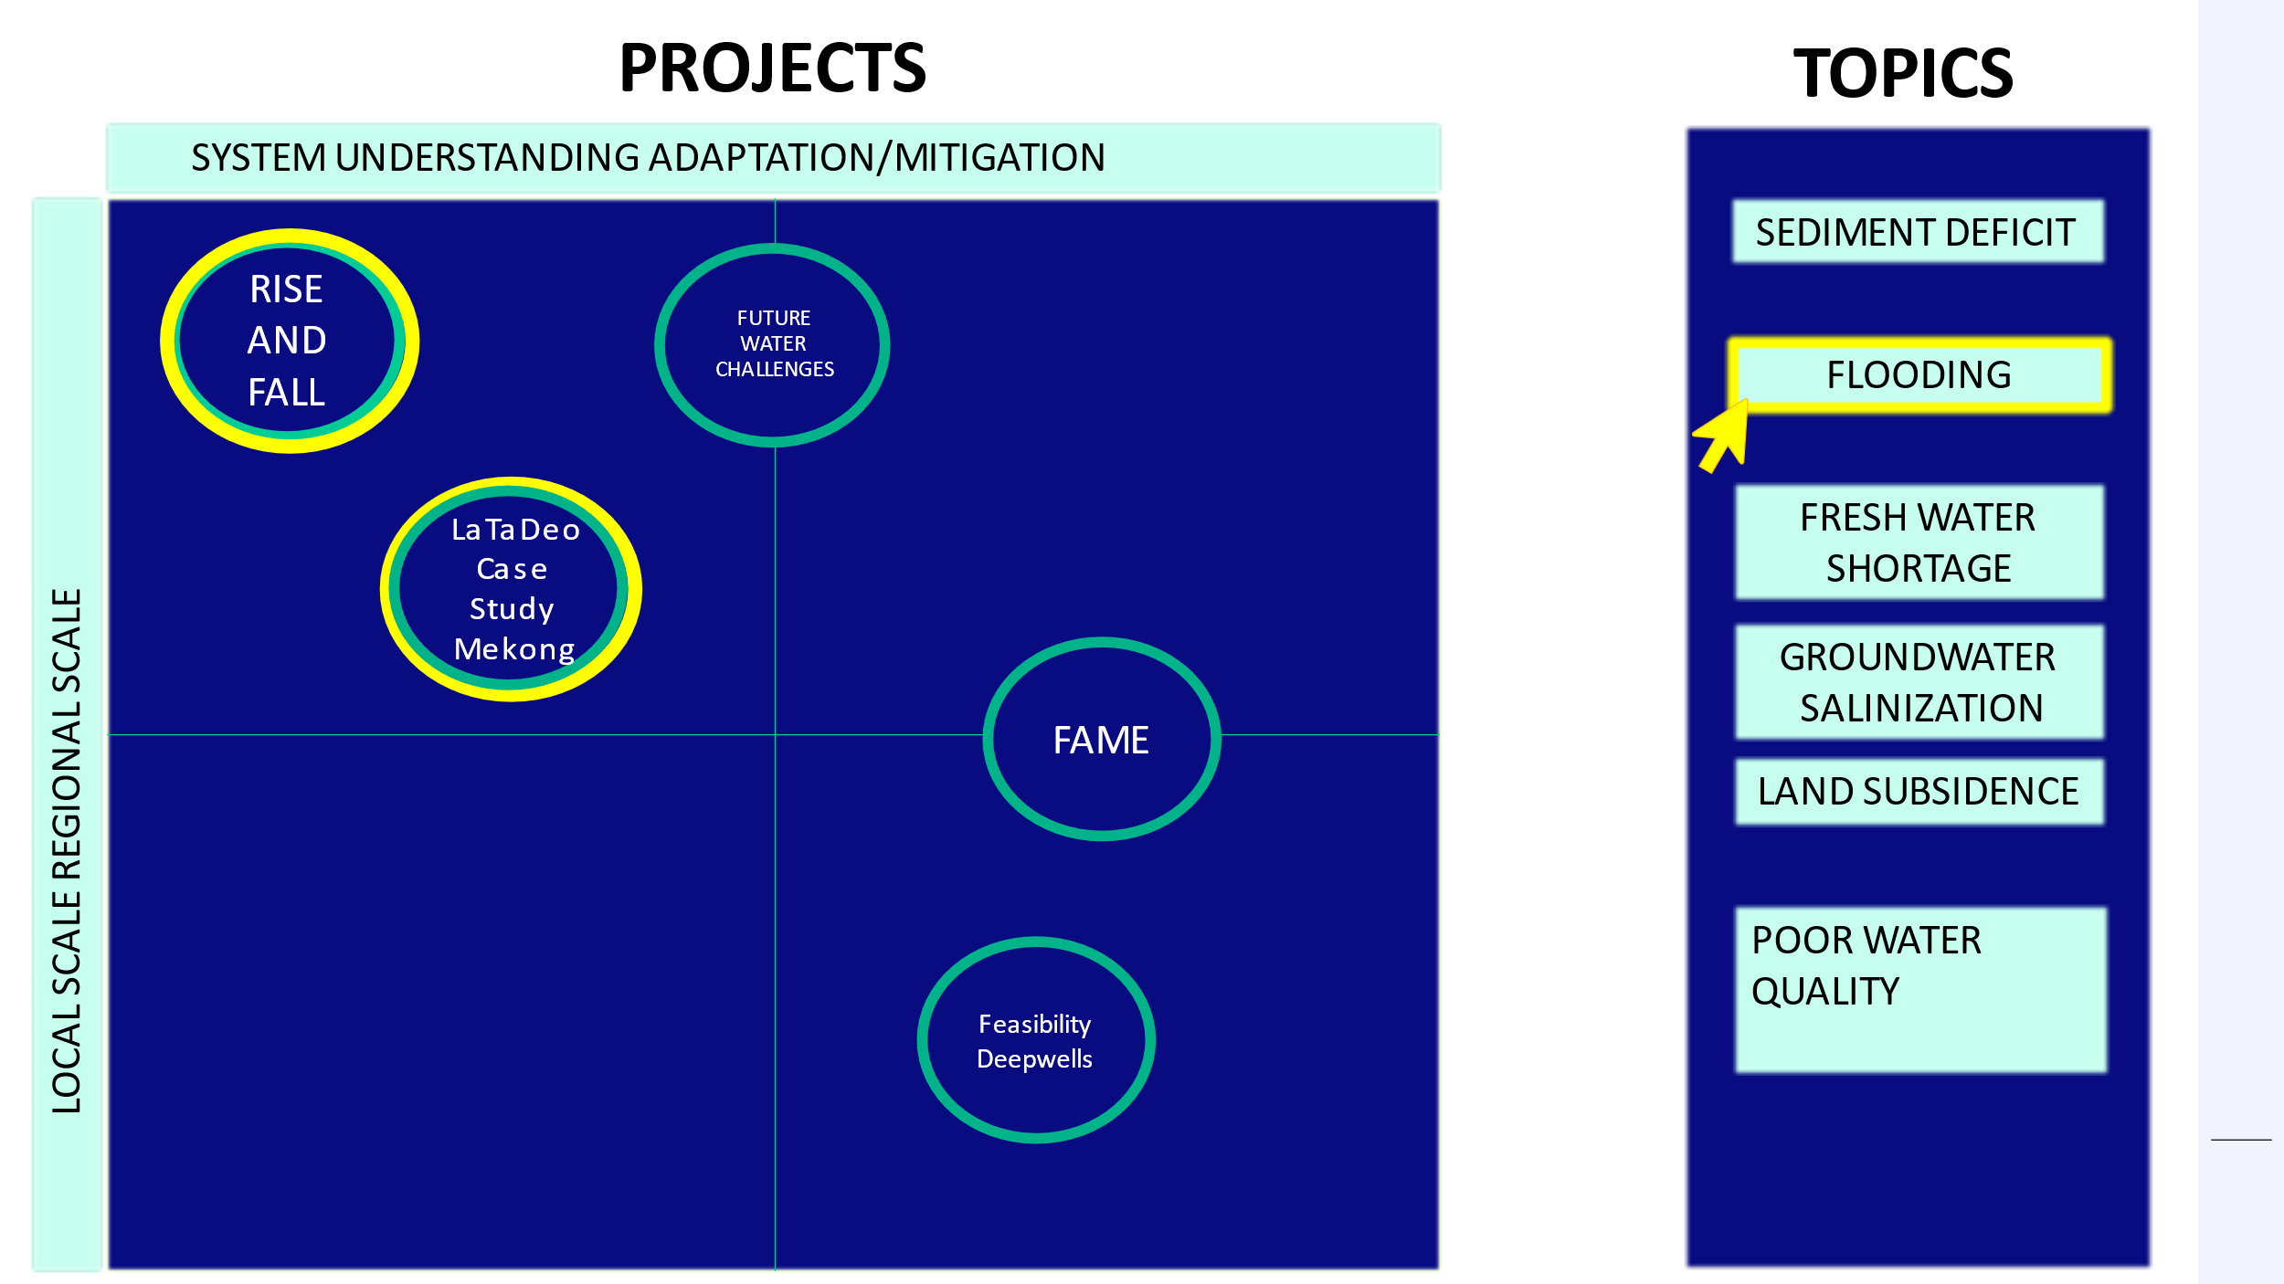
1205967-001 | SO Klimaatatlas Bangladesh | The partners in the foundation CAS have developed a participatory platform for adaptation planning, of which the climate atlas/touch-table is a key component . The CAS platform provides an integrated perspective on climate change by putting together the dispersed information on different climate change impacts, e.g. flood modelling, salinity, urban heat island effect, crop drought sensitivity and sensitivity of nature types to droughts. The different aspects of climate change are integrated and visualized using the touch-table. The touch table is a computer devise with a touch-sensitive screen, which is in table format, in which layers of maps can be included and analyzed with functionalities to overlay various maps, and the possibility to add information in an interactive way, e.g. during the discussion of stakeholders on the maps. This touch-table is then applied in workshops with local stakeholders to discuss the information and to harvest local knowledge about impacts and vulnerabilities. | - | Kymo Slager | 2014 | SO | no | Nationaal? | yes
1207671 | BD Mitigation of salt water intrusion | The goal of the project is to investigate the impacts of salt water intrusion in Bangladesh, the main salinization processes, possible mitigation strategies, and the needed tools to provide input to the Water Safety Plans (WSP). The main outcomes of the project are: Key components on salinization issues for Water Safety Plans, suitable mitigation strategies to mitigate the impacts of salt water intrusion, a regional 3D variable-density dependent groundwater model, a Water Quality Monitoring kit, a Smart Phone App to measure Electrical Conductivity, Leaflets containing salinization processes information and Workshops on Modeling and Monitoring. The specific additional objectives leading to the main one are: a. create a better understanding of the process of salinization of drinking water resources in Bangladesh, b. provide recommendations for monitoring, c. provide recommendations for adaptation and mitigation, d. achieve an effective, tailored knowledge transfer between the Netherlands and Bangladesh, and e. advise on the integration of the salinization issue in Water Safety Planning. | - | Marta Faneca Sanchez | 2013-2014 | BRAC-WASH | no | yes
11204723 | Developing concept design solutions for coastal erosion in Bangladesh | This technical assistance is supporting the Government of Bangladesh to develop innovative conceptual design solutions for future investments in Bangladesh coastal areas, with a specific emphasis on coastal erosion, to enhance coastal resilience and reduce risk. Expected outcomes: reduction of knowledge gap to prepare and implement coastal erosion solutions, showcase designs for three hotspots, and enable dissemination of recommendations for coastal erosion solutions amongst decision-makers. | Bianca Peters | Julia Vroom | 2019-2021 | World Bank | https://projects.ibistools.com/entity/c914466c-ed32-4302-9aae-415c4dd3c2ad/tender/documents | ?
1206292 | Salinity and sedimentation in Gorai river system (Bangladesh) | The Gorai river is the main distributary of the Ganges and a main source of freshwater within the Bengal Delta area. Besides its importance for agriculture, navigation, fishery and rural water supply, the Gorai is essential for the functioning of the Sunderbans mangrove forest, which is the world's largest mangrove forest and a UNESCO World's Heritage. The main objective of this study was to understand how changes in freshwater flows from the Gorai river network are likely to mitigate salinity and how the off-take structure and resulting enhancement in Gorai conveyance capacity will affect sedimentation patterns in the Delta, given the multitude of processes at play. Benefits of the increased freshwater discharges are described in a qualitative way in terms of effects on agriculture, navigation, forestry and the Sundarbans ecosystem. | - | Alessoi Giardino (guest) | 2012 | World Bank | https://projects.ibistools.com/entity/dd2725d2-88b4-4014-acea-7ca5c32e7dc2/tender/documents | ? Gorai River
11203568 | Coastal Resilience: Developing New and Innovative Approaches in India and Bangladesh along the Bay of Bengal | The objective of this assignment was to develop evidence-based guidance on future investments for the coastal areas of Bangladesh and India along the Bay of Bengal to further enhance the coastal resilience and reduce risk by evaluating past and ongoing interventions in a highly participatory process with the local stakeholders. Recent interventions to reduce coastal hazard risk in Bangladesh and India with support from the World Bank have included multi-purpose shelters, embankments, coastal erosion protection measures, evacuation roads and bridges, community-based Disaster Risk Management, early warning and dissemination systems, and protective infrastructure for fisheries. Despites these results, given the high number of exposed people and assets to hydro-met hazards, and the increasing frequency and intensity of those hazards in the countries’ respective coastal areas, supporting measures to strengthen coastal resilience in Bangladesh and India continues to be a high priority. To guide future investment plans for building long-term coastal resilience in both countries, it is imperative to learn from the past experiences of interventions in this region, global lessons learned of coastal interventions and determine key lessons learned for future interventions in India and Bangladesh. To achieve this goal, the proposed technical assistance will review and analyze country engagements and past investments in the coastal zone of Bangladesh and India along the Bay of Bengal to assess best practices and enable cross-country knowledge, experience and expertise sharing for coastal resilience interventions. The project had two phases: Phase 1 – Looking backward, during which past interventions in the coastal zones were reviewed to define lessons learned; and Phase 2 – Looking forward, during which promising interventions and practices have been analyzed, including a cost-benefit analysis to demonstrate the benefits and financial feasibility of these potential future int | - | Marcel Marchand | 2019-2020 | World Bank | no | ?
tbd | Bengal offshore LNG Terminal Bangladesh | - | KlaasJan Bos | - | - | ? | https://projects.ibistools.com/entity/a0886040-e706-439d-b484-e7099a2720c8/tender/documents | ? | yes
tbd | Bangladesh Regional Weather and Climate Services Project | - | Lucas Janssen, Nadine Slootjes | - | - | World Bank | https://projects.ibistools.com/entity/ba3e5bb1-ff21-4a42-b485-619e322d4f7f/tender/documents | ? | yes
11207823 | Bangladesh Weather and Climate Services Regional Project | - | Otto de Keizer | - | - | World Bank | no | - | yes
11207321 | Entrance channel Payra Port Bangladesh - monitoring dredging works and design support | - | Jan-Joost Schouten | - | - | Payra Port Authority | https://projects.ibistools.com/entity/84f169b9-99ee-4870-88ff-8a62fc58cfcf/tender/documents | ? | yes
- | Bangladesh Chittagong Port Development: Construction of Bay Terminal |  | - | - | - | - | - | - | yes
1221220 | Basin modeling of the Brahmaputra river system in Bangladesh |  | Harm Duel | - | - | World Bank | - | yes | yes
11204796 | Bangladesh Metamodel | The Bangladesh Metamodel has been developed and applied to support decision making on onvestment projects in the framework of the Bangladesh Delta Plan 2100 (BDP2100). The model is based on results of detailed models for hydrology, flooding and agricultural productions. It provides “fit-for-purpose” information for strategic planning, covering a wide scope of indicators, but with a relatively limited spatial and temporal resolution. The impact assessment of (combinations of) investment projects is presented in a dashboard in the form of values for a number of indicators ranging from water levels and discharges to flood damage, agricultural production and food security. The impact assessment can be carried out for different scenarios with respect to socioeconomic development and climate change. The Metamodel has been applied to support decision making within the project Support to the Implementation of BDP2100 (SIBDP). A wide range of officials involved in SIBDP has trained in the use of the results of the model in project preparation and decision making. Staff of Bangladesh Water Development Board, General Economics Division of the Planning Commission, Water Resources Planning Organization, Inland Water Transport Authoriy, Ministry of Shipping and the Department of Agricultural Extension have been trained in applying the model to assess the impact of project. The development and application of the Bangladesh Metamodel was part of the Joint Cooperation Programme Bangladesh - the Netherlands. | - | Marnix van der Vat | - | - | - | - | yes
1208556 | Cross dam Noakhali-Urir Bangladesh | - | - | Andre Koelewijn | - | - | - | - | yes
1209314 | Touchtable DP2100 Bangladesh | - | - | Kymo Slager | - | - | - | yes | yes
1208566 | RS voor Bangladesh | - | - | William Oliemans | - | - | - | - | yes
1206768 | BwN Bangladesh | - | - | Maaike Maarse | - | - | - | - | yes
1205198 | DPT Water Mondiaal Bangladesh | - | - | Dick van den Bergh | - | - | - | - | yes
- | ENVIRONMENTAL AND SOCIAL STUDY FOR A PROPOSED NEW TERMINAL IN BANGLADESH | - | Bob Hoogendoorn | - | - | - | - | - | yes
- | Supporting Implementation of the Bangladesh Climate Change Strategy and Action Plan (Subproject 1) | - | - | - | 2009 | Asian Development Bank | - | - | yes
- | Emergency Cyclone Recovery and Restoration Project (ECRRP) Bangladesh Project 1: detailed engineering design of river bank improvement programme; Project 2: engineering design of coastal embankment improvement programme; Project 3: consulting services for multi-hazard risk and vulnerability assessments, modeling and mapping | - | - | - | - | World Bank | - | - | yes
- | Feasibility study leveraging flood protection for resilience in Khulna, Bangladesh | - | - | - | - | - | - | - | yes
- | Consultancy Services for Feasibility Study of Capital Dredging and Sustainable River Management in Bangladesh | - | - | - | - | - | - | - | yes
- | BANGLADESH: CONSULTANCY SERVICES FOR INITIAL ENVIRONMENTAL AND SOCIAL SCOPING AND SCREENING STUDY FOR THE BAY TERMINAL PROJECT | - | - | - | - | World Bank | - | - | yes
- | Consultancy services for monitoring of Hydraulic & Morphological Conditions of Jamuna River for the safety of River training works of the Bangabandhu Bridge during the year 2013-2017" under Ministry of Communications in Bangladesh | - | - | - | - | - | - | - | yes
- | Hydro-economic Modeling and Analysis to Inform River Basin Planning and Investment in Bangladesh | - | - | - | - | World Bank | - | - | yes
- | Rivers and Information and Conservation - Bangladesh | - | - | - | - | - | - | - | yes
- | Formulation and Advancement of the National Adaptation Plan (NAP) Process in Bangladesh - Setting up the CCIKM, NAP web portal, geodatabase and climate finance tracking management system | - | - | - | - | - | - | - | yes
- | Dhaka Environment and Water Resources Management - Bangladesh | - | - | - | - | World Bank | - | - | yes
- | Nature-climate-water-food nexus Bangladesh | - | Harm Duel | - | - | Nuffic | - | - | yes
- | Strenthening of Urban Water, Drainage and Sanitation Sector to Climate Change in Coastal Towns - Bangladesh | - | - | - | - | Asian Development Bank | - | - | yes
- | Bangladesh Regional Waterway Project BRWP | - | Ankie Bruens | - | - | - | - | - | yes
- | Coastal Resilience: Developing New and Innovative Approaches in Bangladesh | - | Myra van der Meulen | - | - | World Bank | - | - | yes
11203568 | Improving empirical evidence and analytical support on investments in Coastal Resilience in India and Bangladesh | - | Bianca Peters, Dirk-Jan Walstra | - | - | World Bank | - | - | yes
- | Mainstreaming climate change adaptation through value chain analysis, early warning needs and collaborative resource management in coastal areas of Bangladesh | - | - | - | - | - | - | - | yes
- | Research for Community Access Partnership (ReCAP) | - | Hilder Passier | - | - | ReCAP | - | - | yes
- | Climate Adaptation and Resilience (CARE) for South Asia Project - Flood Modeling and Flood Hazard Assessment for selected districts in selected River Basins in Bangladesh, Nepal and Pakistan | - | Lucas Janssen | - | - | World Bank | - | - | yes
- | USAID/Bangladesh - Climate-Resilient Ecosystems and Livelihoods (CREL) RFA | - | - | - | - | USAID | - | - | yes
- | GCA-Deltares Partnership Framework - Component 2: Scaling up NBS Investments in Bangladesh | - | Myra van der Meulen | - | - | - | - | - | yes
- | AMR in Bangladesh | - | Rob Niewenhuis | - | - | - | - | - | yes
- | Bangladesh Agricultural and Disaster Insurance Programme (BADIP) | - | - | - | 2017-2021 | - | - | - | yes
- | Bangladesh Flood Alerts Survey Design and Implementation | - | Lucas Janssen | - | - | - | - | - | yes
11202793 | Geohazard Risk Management and Resilient Road Asset Management in Bangladesh | - | Joris van Ruijven | - | - | - | - | - | yes

Drivers & Threats
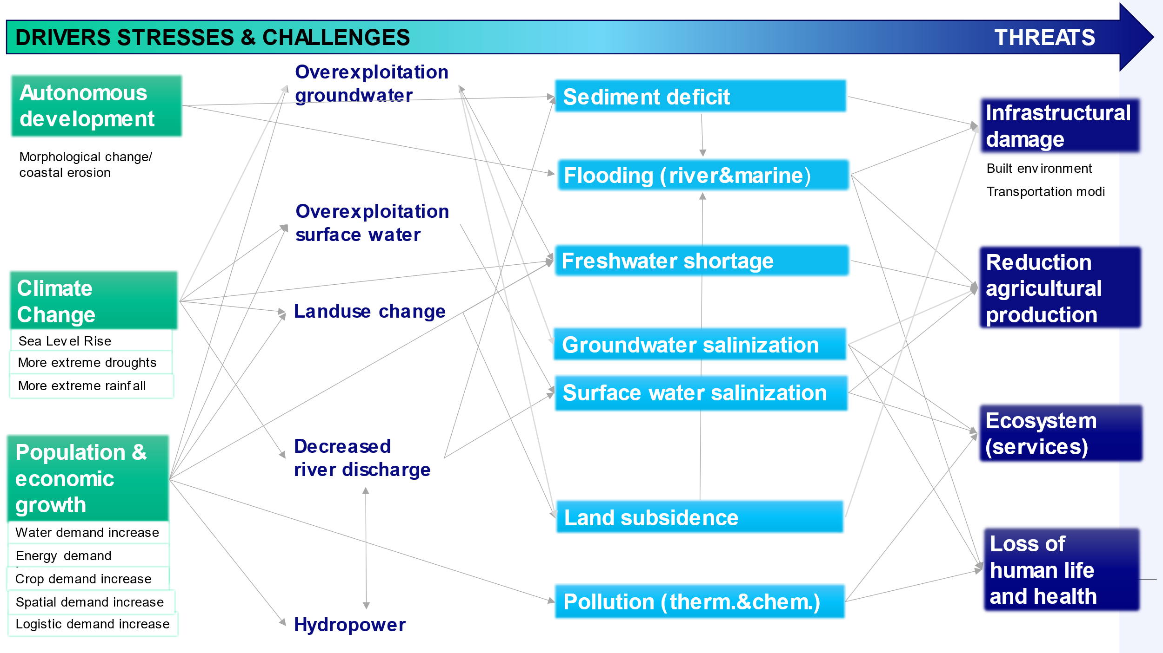
Delta | Drivers | Explanation | Stresses | Challenges | Threats
Ganges Brahmaputra | Autonomous Development | Morphological change/coastal erosion

 | Climate Change |  | Overexploitation Groundwater
 |  |  | Overexploitation Surface Water
 |  |  | Landuse Change
 |  |  | Decreased river discharge |  | PO

 | Population & economic Growth |  | Hydropower

